Feb 7 Assignment
Groq URL | https://console.groq.com/home

Models available in Groq

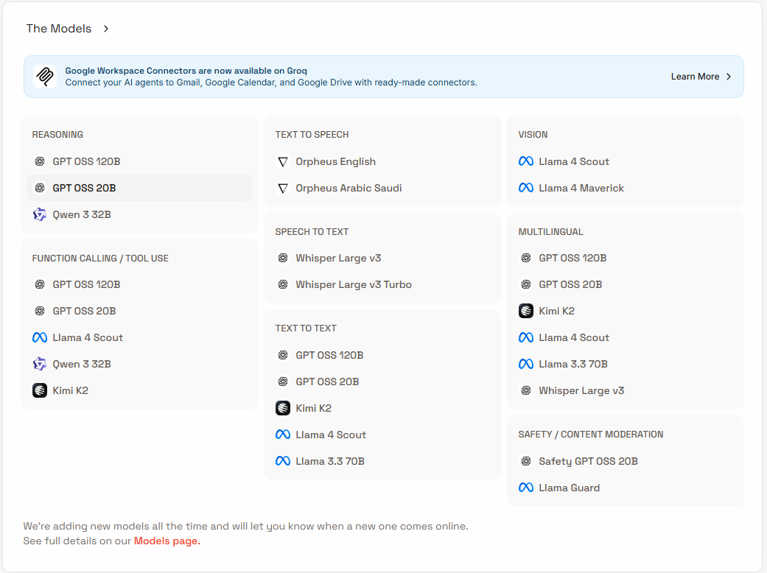

 |  | Mostly Used Models | GPT 120B & GPT 20 B

 |  | Only for Text to speech | Orpheus English & Orpheus Arabic (Saudi)

 |  | Only for Speech to txt | Whisper Large v3 & Whisper Large v3 Turbo

 |  | Only for safety/content moderation | Safety GPT OSS 20B & Llama Guard

 |  | Only for Vision | Llama 4 Scout & Llama 4 Maverick

 |  | Quick “Which should I pick?” Cheat Sheet - recommended by chat GPT

 |  | Task | Model
 |  | Default chatbot | GPT OSS 20B
 |  | Deep reasoning | GPT OSS 120B
 |  | Coding + tools | GPT OSS 20B
 |  | Creative writing | Llama 3.3 70B
 |  | Fast cheap responses | Llama 4 Scout
 |  | Speech → text | Whisper Large v3
 |  | Text → speech | Orpheus
 |  | Images | Llama 4 Scout / Maverick
 |  | Safety checks | Llama Guard

